OFFER SHEET
STYLE#： |  | BFT-36013
DESCRIPTION: |  | Men's 60% cotton 40% polyester knitted t-shirt
QUANTITY: |  | 3291 | PIECES |  | 69 | CTNS

CTN |  | COLOR | SIZE |  |  |  |  | QTY | TOTAL | TTLQTY
FROM | TO |  | S | M | L | XL | XXL | CTN | CTNS | (PCS)
1 | 55 | BLACK | 6 | 13 | 15 | 10 | 4 | 48 | 44 | 2112
56 | 57 | BLACK | 18 | 8 | 4 | 8 | 10 | 48 | 2 | 96
58 | 58 | BLACK | 14 | 7 | 2 | 9 | 14 | 46 | 1 | 46
59 | 86 | RED | 7 | 13 | 15 | 9 | 4 | 48 | 19 | 912
87 | 88 | RED | 1 | 14 | 11 | 14 | 8 | 48 | 2 | 96
89 | 89 | RED | 1 | 7 | 5 | 6 | 10 | 29 | 1 | 29
TOTAL： |  |  |  |  |  |  |  |  | 69 | 3291
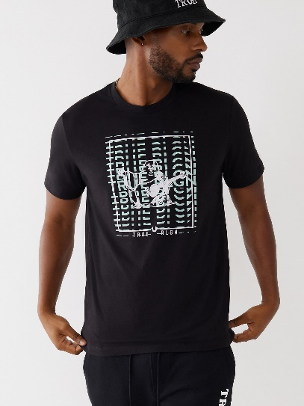
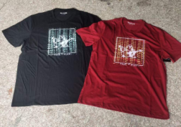

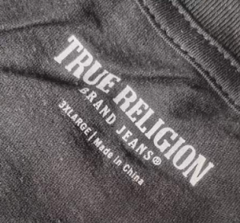

PACKING LIST
PACKING LIST
STYLE#： |  | BFT-36013
DESCRIPTION: |  | Men's 60% cotton 40% polyester knitted t-shirt
QUANTITY: |  | 3291 | PIECES |  | IN |  | 69 | CTNS
MEAS： |  | 50*34*21 | CMS |  | IN |  | 69 | CTNS | 2.46 | M3
G.W ： |  | 8.6 | KG |  | IN |  | 69 | CTNS | 593.4 | KGS
N.W ： |  | 7.6 | KG |  | IN |  | 69 | CTNS | 524.4 | KGS
CTN |  | COLOR | SIZE |  |  |  |  | QTY | TOTAL | TTLQTY
FROM | TO |  | S | M | L | XL | XXL | CTN | CTNS | (PCS)
1 | 55 | BLACK | 6 | 13 | 15 | 10 | 4 | 48 | 35 | 1680
56 | 57 | BLACK | 18 | 8 | 4 | 8 | 10 | 48 | 2 | 96
58 | 58 | BLACK | 14 | 7 | 2 | 9 | 14 | 46 | 1 | 46
59 | 86 | RED | 7 | 13 | 15 | 9 | 4 | 48 | 28 | 1344
87 | 88 | RED | 1 | 14 | 11 | 14 | 8 | 48 | 2 | 96
89 | 89 | RED | 1 | 7 | 5 | 6 | 10 | 29 | 1 | 29
TOTAL： |  |  |  |  |  |  |  |  | 69 | 3291

 |  | COLORS | SIZE |  |  |  |  | QTY
 |  |  | S | M | L | XL | XXL
 |  | BLACK | 260 | 478 | 535 | 375 | 174 | 1822
 |  | RED | 199 | 399 | 447 | 286 | 138 | 1469
 |  | TOTAL | 459 | 877 | 982 | 661 | 312 | 3291
